Income budget
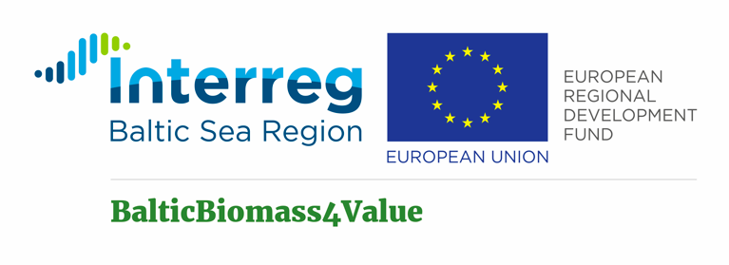
The amount of the investment |  |  | 1,000,000 | € | Do not enter numbers in the yellow fields!
The liquidation value of the investment at the end of the project |  |  | 200000 | €

Projected income statement and project profitability assessment

Year | 2021 | 2022 | 2023 | 2024 | 2025 | 2026 | 2027
Quantity of product 1 sold, kg | 200,000 | 500,000 | 500,000 | 500,000 | 500,000 | 500,000 | 500,000
Price of product 1 | 17.0 | 17.0 | 17.2 | 17.4 | 17.6 | 17.8 | 18.0
Income from sales | 3,400,000 | 8,500,000 | 8,600,000 | 8,700,000 | 8,800,000 | 8,900,000 | 9,000,000
Other operating income, including grants |  |  |  |  |  |  |  | This is an output of the Interreg Baltic Sea Region Programme 2014–2020 project
Total earned income | 3,400,000 | 8,500,000 | 8,600,000 | 8,700,000 | 8,800,000 | 8,900,000 | 9,000,000 | “Unlocking the Potential of Bio-based Value Chains in the Baltic Sea Region”
Operating costs |  |  |  |  |  |  |  | Project acronym: BalticBiomass4Value
Goods |  |  |  |  |  |  |  | Project number: #R095
Raw material | 2,400,000 | 6,000,000 | 6,000,000 | 6,000,000 | 6,000,000 | 6,000,000 | 6,000,000 | For the implementation of the BalticBiomass4Value project a subsidy is awarded
Material | 18,000 | 50,000 | 55,000 | 60,000 | 65,000 | 70,000 | 75,000 | from the European Regional Development Fund.
Services, incl rental costs | 40,000 | 50,000 | 52,500 | 55,000 | 57,500 | 60,000 | 62,500
Fuel | 170,000 | 300,000 | 315,000 | 330,000 | 345,000 | 360,000 | 375,000
Energy | 140,000 | 300,000 | 310,000 | 320,000 | 330,000 | 340,000 | 350,000
Wages and salaries | 180,000 | 240,000 | 247,200 | 254,616 | 262,254 | 270,122 | 278,226
Labor taxes | 59,400 | 79,200 | 81,576 | 84,023 | 86,544 | 89,140 | 91,815
Depreciation of fixed assets | 75,000 | 100,000 | 100,000 | 100,000 | 100,000 | 100,000 | 100,000
Insurance | 8,000 | 10,000 | 10,000 | 10,000 | 10,000 | 10,000 | 10,000
Administrative costs | 5,000 | 6,000 | 6,500 | 7,000 | 7,500 | 8,000 | 9,000
Other costs | 8,000 | 15,000 | 15,500 | 16,000 | 17,000 | 18,000 | 19,000
Total operating costs | 3,103,400 | 7,150,200 | 7,193,276 | 7,236,639 | 7,280,798 | 7,325,262 | 7,370,540
Operating profit | 296,600 | 1,349,800 | 1,406,724 | 1,463,361 | 1,519,202 | 1,574,738 | 1,629,460
Financial expenses
Interest expenses | 12,000 | 10,000 | 8,000 | 6,000 | 4,000 | 2,000
Other financial expenses
Total financial expenses | 12,000 | 10,000 | 8,000 | 6,000 | 4,000 | 2,000 | 0
Profit on economic activities | 284,600 | 1,339,800 | 1,398,724 | 1,457,361 | 1,515,202 | 1,572,738 | 1,629,460
Income tax
Net profit | 284,600 | 1,339,800 | 1,398,724 | 1,457,361 | 1,515,202 | 1,572,738 | 1,629,460
Net cash flow | 359,600 | 1,439,800 | 1,498,724 | 1,557,361 | 1,615,202 | 1,672,738 | 1,729,460
Discount rate | 9% | 9% | 9% | 9% | 9% | 9% | 9%
Discounted net cash flow | 329,908 | 1,211,851 | 1,157,290 | 1,103,274 | 1,049,770 | 997,399 | 946,074
Business profitability | 9% | 16% | 16% | 17% | 17% | 18% | 18%

Net present value (NPV)= | 5,995,565 | € | The project should be undertaken if the NPV> 0.

Background:
The company "Biobusin" plan start with production of bio-xxx. They rent a suitable building for this kind of production and plan to buy the necessary equipment in the spring of 2021 at a price of 1 million euros. In the first year the production volume is 200000 kg, hereinafter 500000 kg per year. The production is sold at a price of 17 euros per kg. Production costs are entered directly into the table. The cost of raw materials per unit of production is 12 euros. The company has 10 employees with an average salary of 2,000 euros per month, 33 percent social tax is paid on the salary cost. The company plans to produce bio-xxx for 7 years. At the end of the planned period, the equipment can be sold at a price of 200,000 euros. The discount rate (WACC) is planned to be 9%.

Conclusion:
A positive NPV indicates that it would be prudent to launch this project under such conditions.

